BM Fix
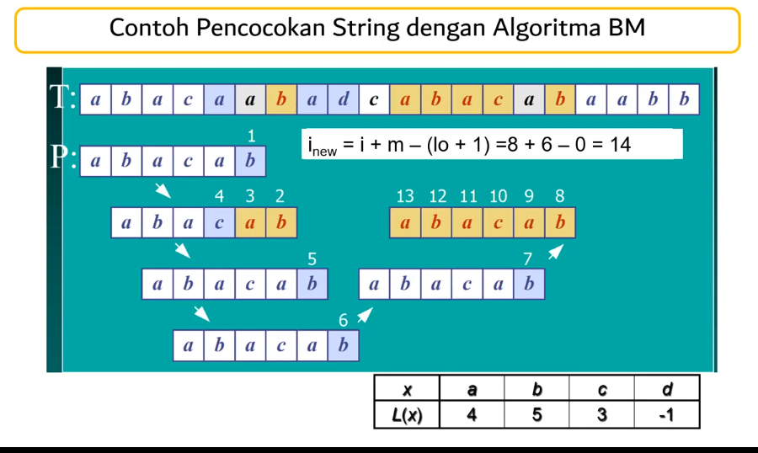
1
 | i | 0 | 1 | 2 | 3 | 4 | 5 | 6 | 7 | 8 | 9 | 10 | 11 | 12 | 13 | 14 | 15 | 16 | 17 | 18 | 19
 | T: | a | b | a | c | a | a | b | a | d | c | a | b | a | c | a | b | a | a | b | b
 |  |  |  |  |  |  | 1 |  | Kasus 1 |  | i=i + m - (lo+1) = 5 + 6 - (4+1) = 6
 | P: | a | b | a | c | a | b |  |  |  |  |  |  |  |  |  | x | a | b | c | d
 | j | 0 | 1 | 2 | 3 | 4 | 5 |  |  |  |  |  |  |  |  |  | L(x) | 4 | 5 | 3 | -1

2 | i | 0 | 1 | 2 | 3 | 4 | 5 | 6 | 7 | 8 | 9 | 10 | 11 | 12 | 13 | 14 | 15 | 16 | 17 | 18 | 19
 | T: | a | b | a | c | a | a | b | a | d | c | a | b | a | c | a | b | a | a | b | b
 |  |  |  |  |  | 4 | 3 | 2 | Kasus 2 |  | i=i+m-j=4+6-3=7
 | P: |  | a | b | a | c | a | b |  |  |  |  |  |  |  |  | x | a | b | c | d
 | j |  | 0 | 1 | 2 | 3 | 4 | 5 |  |  |  |  |  |  |  |  | L(x) | 4 | 5 | 3 | -1

3 | i | 0 | 1 | 2 | 3 | 4 | 5 | 6 | 7 | 8 | 9 | 10 | 11 | 12 | 13 | 14 | 15 | 16 | 17 | 18 | 19
 | T: | a | b | a | c | a | a | b | a | d | c | a | b | a | c | a | b | a | a | b | b
 |  |  |  |  |  |  |  |  | 5 |  | Kasus 1 |  | i=i + m - (lo+1) = 7 + 6 - (4+1) = 8
 | P: |  |  | a | b | a | c | a | b |  |  |  |  |  |  |  | x | a | b | c | d
 | j |  |  | 0 | 1 | 2 | 3 | 4 | 5 |  |  |  |  |  |  |  | L(x) | 4 | 5 | 3 | -1

4 | i | 0 | 1 | 2 | 3 | 4 | 5 | 6 | 7 | 8 | 9 | 10 | 11 | 12 | 13 | 14 | 15 | 16 | 17 | 18 | 19
 | T: | a | b | a | c | a | a | b | a | d | c | a | b | a | c | a | b | a | a | b | b
 |  |  |  |  |  |  |  |  |  | 6 | Kasus 3 |  | i=i + m - (lo+1) = 8 + 6 - (-1+1) = 14
 | P: |  |  |  | a | b | a | c | a | b |  |  |  |  |  |  | x | a | b | c | d
 | j |  |  |  | 0 | 1 | 2 | 3 | 4 | 5 |  |  |  |  |  |  | L(x) | 4 | 5 | 3 | -1

5 | i | 0 | 1 | 2 | 3 | 4 | 5 | 6 | 7 | 8 | 9 | 10 | 11 | 12 | 13 | 14 | 15 | 16 | 17 | 18 | 19
 | T: | a | b | a | c | a | a | b | a | d | c | a | b | a | c | a | b | a | a | b | b
 |  | Kasus 1 |  | i=i + m - (lo+1) = 14 + 6 - (4+1) = 15 |  |  |  |  |  |  |  |  |  |  |  | 7
 | x | a | b | c | d |  |  |  |  | P: | a | b | a | c | a | b
 | L(x) | 4 | 5 | 3 | -1 |  |  |  |  | j | 0 | 1 | 2 | 3 | 4 | 5

6 | i | 0 | 1 | 2 | 3 | 4 | 5 | 6 | 7 | 8 | 9 | 10 | 11 | 12 | 13 | 14 | 15 | 16 | 17 | 18 | 19
 | T: | a | b | a | c | a | a | b | a | d | c | a | b | a | c | a | b | a | a | b | b
 |  |  |  |  |  |  |  |  |  |  |  | 13 | 12 | 11 | 10 | 9 | 8
 | x | a | b | c | d |  |  |  |  |  | P: | a | b | a | c | a | b
 | L(x) | 4 | 5 | 3 | -1 |  |  |  |  |  | j | 0 | 1 | 2 | 3 | 4 | 5

KMP
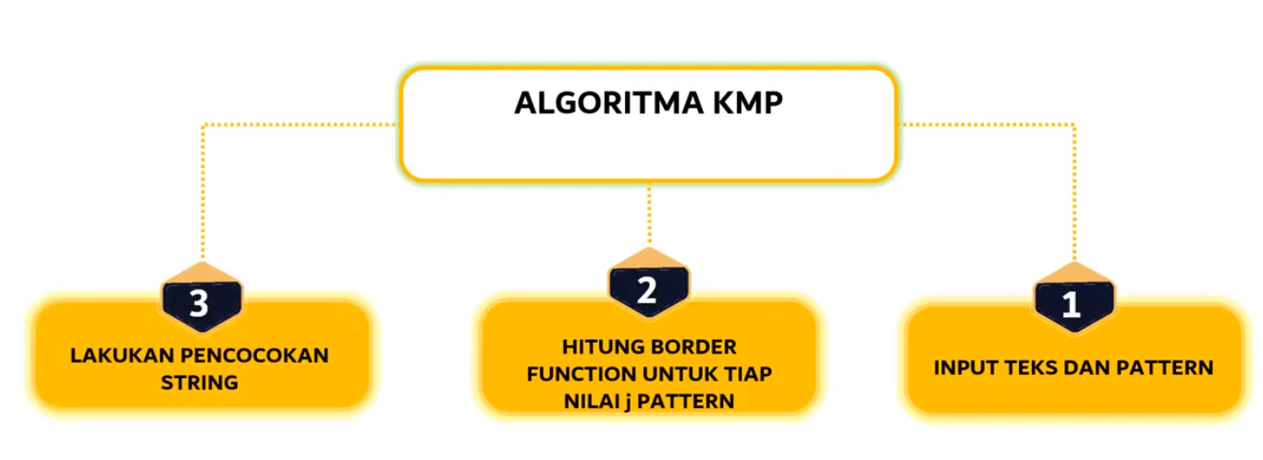
 | Contoh KMP Border Function
 | P | abababaca
 |  |  |  | j | 0 | 1 | 2 | 3 | 4 | 5 | 6 | 7 | 8 | 9
 |  |  |  | P[j] | a | b | a | c | a | b | a | b | c | a
0 | j = 0 -> k = (N/A) -> b(k) = |  | - |  | 0 | 0 | 1 | 0 | 1 | 2

1 | j = 1 -> k = 0 -> b(k) = |  | 0

2 | j = 2 -> k = 1 -> b(k) = |  | 0 | Prefix P[0...1] | a | ab
 |  |  |  | Prefix P[1...1] | b

3 | j = 3 -> k = 2 -> b(k) = |  | 1 | Prefix P[0...2] | a | ab | aba
 |  |  |  | Prefix P[1...2] | a | ba

4 | j = 4 -> k = 3 -> b(k) = |  | 0 | Prefix P[0...3] | a | ab | aba | abac
 |  |  |  | Prefix P[1...3] | c | ac | bac

5 | j = 5 -> k = 4 -> b(k) = |  | 1 | Prefix P[0...4] | a | ab | aba | abac | abaca
 |  |  |  | Prefix P[1...4] | a | ca | aca | baca

6 | j = 6 -> k = 5 -> b(k) = |  | 2 | Prefix P[0...5] | a | ab | aba | abac | abaca | abacab
 |  |  |  | Prefix P[1...5] | b | ab | aca | acab | bacab

7 | j = 7 -> k = 6 -> b(k) = |  | 0 | Prefix P[0...6] | a | ab | aba | abac | abaca | abacab | abacaba
 |  |  |  | Prefix P[1...6] | a | ba | cab | caba | acaba | bacaba

8 | j = 8 -> k = 7 -> b(k) = |  | 0 | Prefix P[0...7] | a | ab | aba | abac | abaca | abacab | abacaba | abacabab
 |  |  |  | Prefix P[1...7] | b | ab | aba | abab | cabab | acabab | bacabab

9 | j = 9 -> k = 8 -> b(k) = |  | 0 | Prefix P[0...8] | a | ab | aba | abac | abaca | abacab | abacaba | abacabab | abacababc
 |  |  |  | Prefix P[1...8] | c | bc | bab | babc | ababc | cababc | acababc | bacababc

 |  |  |  | j | 0 | 1 | 2 | 3 | 4 | 5 | 6 | 7 | 8 | 9
 |  |  |  | P[j] | a | b | a | b | a | b | a | b | c | a
 |  |  |  | k | - | 0 | 1 | 2 | 3 | 4 | 5 | 6 | 7 | 8
 |  |  |  | b[k] | - | 0 | 0 | 1 | 0 | 1 | 2 | 0 | 0 | 0

KMP1
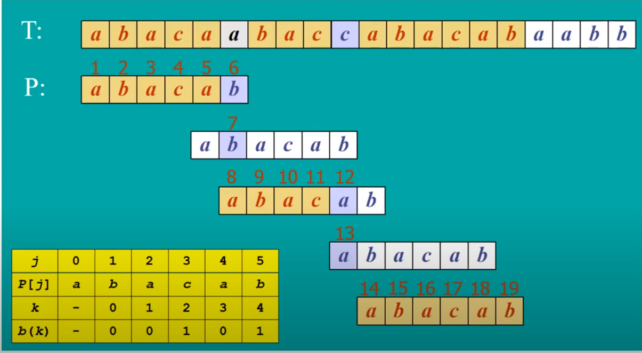
1 Buat border function |  | J | 0 | 1 | 2 | 3 | 4 | 5
 |  | P[j] | a | b | a | c | a | b

0 | j = 0 -> k = (N/A) -> b(k) = -

1 | j = 1 -> k = 0 -> b(k) = 0

2 | j = 2 -> k = 1 -> b(k) = 0 | Prefix P[0...1] | a | ab
 |  | Prefix P[1...1] | b

3 | j = 3 -> k = 2 -> b(k) = 1 | Prefix P[0...2] | a | ab | aba
 |  | Prefix P[1...2] | a | ba

4 | j = 4 -> k = 3 -> b(k) = 0 | Prefix P[0...3] | a | ab | aba | abac
 |  | Prefix P[1...3] | c | ac | bac

5 | j = 5 -> k = 4 -> b(k) = 1 | Prefix P[0...4] | a | ab | aba | abac | abaca
 |  | Prefix P[1...4] | a | ca | aca | baca

 |  | J | 0 | 1 | 2 | 3 | 4 | 5
 |  | P[j] | a | b | a | c | a | b
 |  | k | - | 0 | 1 | 2 | 3 | 4
 |  | b[k] | - | 0 | 0 | 1 | 0 | 1

Mentahan
 |  |  |  |  |  |  |  |  |  |  |  |  |  |  |  |  | Kasus 1

T: | S | T | R | I | N | G |  | M | A | T | C | H | I | N | G | T: |  |  |  | X | A |  |  | X | A | ? | ?
 |  |  |  |  |  |  |  |  |  |  |  |  |  |  |  |  |  |  |  | i |  |  |  |  |  |  | i new
i
Geser i dan j ke kanan
 |  |  |  |  |  |  |  |  |  |  |  |  |  |  |  | P: |  | X | C | B | A |  |  | X | C | B | A
P: | M | A | T | C | H |  |  |  |  |  |  |  |  |  |  |  |  |  |  | j |  |  |  |  |  |  | j new

j
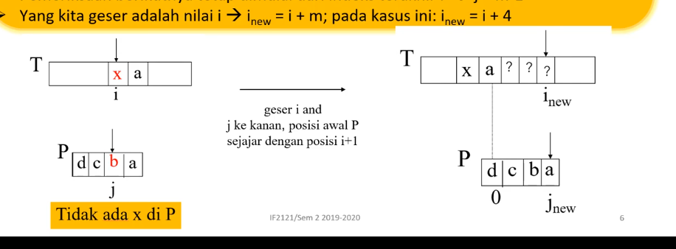
 |  |  |  |  |  |  |  |  |  |  |  |  |  |  |  |  | Kasus 2

geser i dan j ke kanan, posisi akhir P sejajar dengan posisi akhir T+1
 |  |  |  |  |  |  |  |  |  |  |  |  |  |  |  | T: |  |  |  | X | A | X |  | X | A | X | ?
 |  |  |  | P | a | b | a | c | a | b |  |  |  |  |  |  |  |  |  | i |  |  |  |  |  |  | i new
 |  |  |  |  | 0 | 1 | 2 | 3 | 4 | 5

 |  |  |  |  |  |  |  |  |  |  |  |  |  |  |  | P: |  |  | C | W | A | X |  | C | W | A | X
 |  |  |  | x | a | b | c | d |  |  |  |  |  |  |  |  |  |  |  | j |  |  |  |  |  |  | j new
 |  |  |  | L(x) | 4 | 5 | 3 | -1
 |  |  |  |  |  |  |  |  |  |  |  |  |  |  |  |  | Kasus 3

geser i dan j ke kanan, posisi awal P sejajar dengan posisi akhir i +1
 |  |  |  |  |  |  |  |  |  |  |  |  |  |  |  | T: |  |  |  | X | A |  | X | A | ? | ? | ?
 |  |  |  |  |  |  |  |  |  |  |  |  |  |  |  |  |  |  |  | i |  |  |  |  |  |  | i new

 |  |  |  |  |  |  |  |  |  |  |  |  |  |  |  | P: |  |  | D | C | B | A |  | D | C | B | A
 |  |  |  |  |  |  |  |  |  |  |  |  |  |  |  |  |  |  |  | j |  |  |  |  |  |  | j new

